Sheet1
 | Available Pre-Trained Neural Networks in MATLAB (All Details)

Neural Network | Depth | Size | Parameters (Millions) | Image Input Size
squeezenet | 18 | 5.2 MB | 1.24 | 227-by-227
googlenet | 22 | 27 MB | 7 | 224-by-224
inceptionv3 | 48 | 89 MB | 23.9 | 299-by-299
densenet201 | 201 | 77 MB | 20 | 224-by-224
mobilenetv2 | 53 | 13 MB | 3.5 | 224-by-224
resnet18 | 18 | 44 MB | 11.7 | 224-by-224
resnet50 | 50 | 96 MB | 25.6 | 224-by-224
resnet101 | 101 | 167 MB | 44.6 | 224-by-224
xception | 71 | 85 MB | 22.9 | 299-by-299
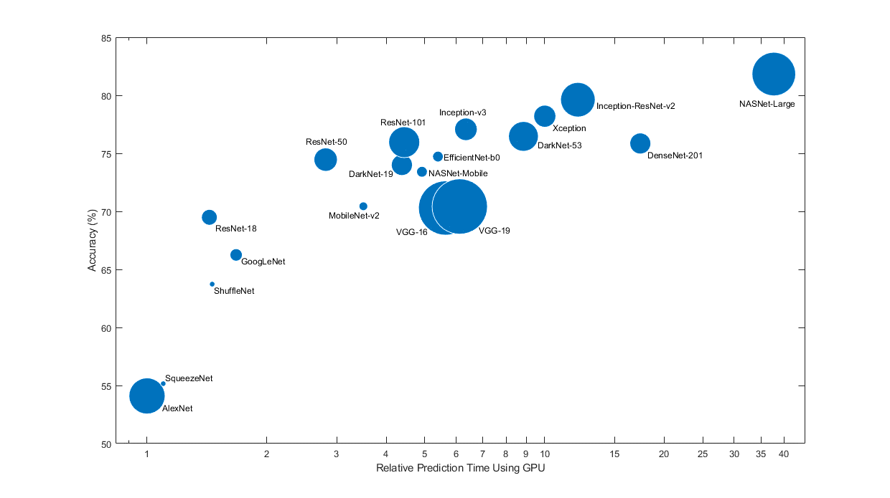
inceptionresnetv2 | 164 | 209 MB | 55.9 | 299-by-299
shufflenet | 50 | 5.4 MB | 1.4 | 224-by-224
nasnetmobile | * | 20 MB | 5.3 | 224-by-224
nasnetlarge | * | 332 MB | 88.9 | 331-by-331
darknet19 | 19 | 78 MB | 20.8 | 256-by-256
darknet53 | 53 | 155 MB | 41.6 | 256-by-256
efficientnetb0 | 82 | 20 MB | 5.3 | 224-by-224
alexnet | 8 | 227 MB | 61 | 227-by-227
vgg16 | 16 | 515 MB | 138 | 224-by-224
vgg19 | 19 | 535 MB | 144 | 224-by-224

